Useful Code
Subset for different student | data.prospect<-subset(data, Inquiries==1) data.applicant<-subset(data, Apps.Submit==1) data.admitted<-subset(data, Acceptances==1)

Admitted Student
Admitted | data.admitted1<-select(data.admitted,Population,Active.Term,Address.,Email.,Program,Citizenship.Coutry,Visa.Required)
Quality | library(dataQualityR) checkDataQuality(data = data.admitted1, out.file.num ="dq_admitted_num.csv", out.file.cat= "dq_admitted_cat.csv")
Email | email_checking1<-as.data.frame(data.admitted$Email.[!grepl(".com", data.admitted$Email.) & grepl("gmail", data.admitted$Email.)]) email_checking1<-as.data.frame(data.admitted$Email.[!grepl(".com", data.admitted$Email.) & grepl(".om$", data.admitted$Email.) ])
Program | admitted_program<-as.data.frame(table(data.admitted$Program,dnn="Program"))
Country | admitted_country<-as.data.frame(table(data.admitted$Citizenship.Coutry,dnn="Citizenship.Coutry"))

Applicants | data.applicant1<-select(data.applicant,Population,Active.Term,Email.,Program, On.Campus.ROL,First.Source.,Address.Home.City,Address.Home.Country,Citizenship.Coutry,College.Country,College.Gpa,Hs.Gpa,Hs.Country)
Hs.Gpa | applicant_Hs.Gpa<-as.data.frame(table(data.applicant1$Hs.Gpa,dnn="Hs.Gpa"))

Prospect | data.prospect1<-select(data.prospect,Population,Active.Term,Email.,Program,First.Source.,Address.Home.Country,Address.Home.State,College.Name,College.State,College.Country,Hs.Country,Engagement.Score)

 | datanew.admitted<-subset(datanew, student.type=="Admitted") datanew.applicant<-subset(datanew, student.type=="Applicant") datanew.prosepect<-subset(datanew, student.type=="Prosepect")

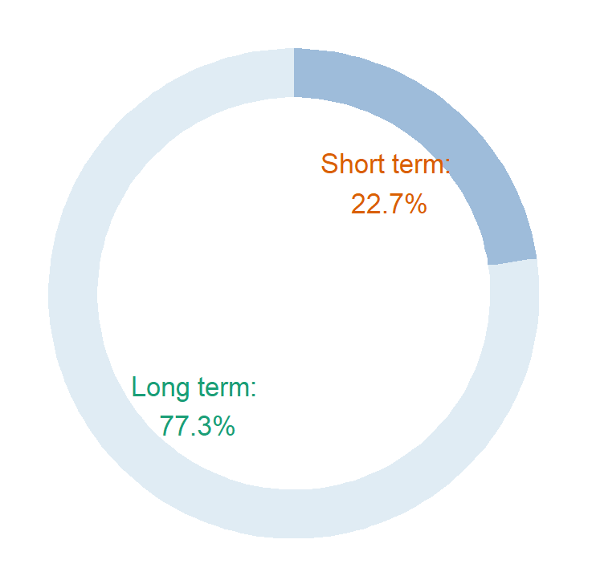

 |  |  | # Create test data.
 |  |  | data <- data.frame(
 |  |  | category=c("Short term", "Long term"),
 |  |  | count=c(22.7,77.3)
 |  |  | )

 |  |  | # Compute the cumulative percentages (top of each rectangle)
 |  |  | data$ymax <- cumsum(data$fraction)

 |  |  | # Compute the bottom of each rectangle
 |  |  | data$ymin <- c(0, head(data$ymax, n=-1))

 |  |  | # Compute label position
 |  |  | data$labelPosition <- (data$ymax + data$ymin) / 2 | #VALUE!
 |  |  |  | #VALUE!
 |  |  | # Compute a good label
 |  |  | data$label <- paste0(data$category, ": \n", data$count, "%")

 |  |  | # Make the plot
 |  |  | K= ggplot(data, aes(ymax=ymax, ymin=ymin, xmax=4, xmin=3, fill=category)) +
 |  |  | geom_rect() +
 |  |  | geom_text( x=2, aes(y=labelPosition, label=label, color=category), size=9) + # x here controls label position (inner / outer)
 |  |  | scale_fill_brewer(palette=3) +
 |  |  | scale_color_brewer(palette="Dark2") +
 |  |  | coord_polar(theta="y") +
 |  |  | xlim(c(-1, 4)) +
 |  |  | theme_void() +
 |  |  | theme(legend.position = "none")

 |  |  | K+ ggtitle("Number of Anomiles in Citizenship Country\nin Admitted Student ")
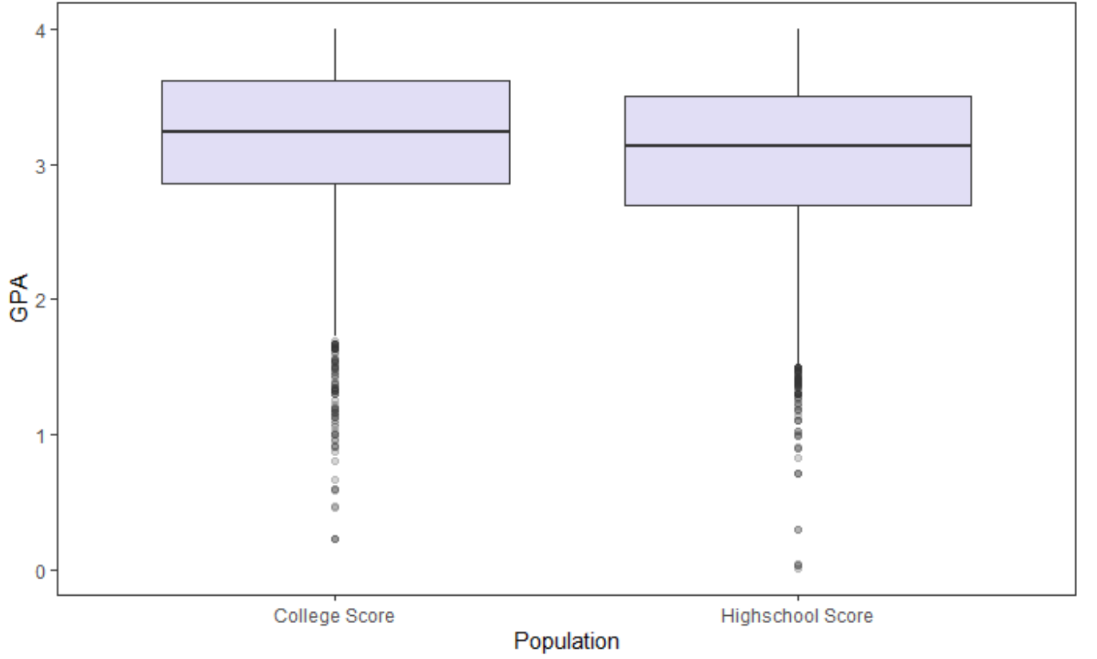
Bar chart for college null
```{r} |  |  |  |  | Code for boxplot: Score<-read.csv("score1.csv", header=TRUE, stringsAsFactors = FALSE) p<-ggplot(data=Score,aes(x=Population,y=GPA))+geom_boxplot(aes(fill=Population),fill="slateblue", alpha=0.2)+theme(legend.position="none")+theme(panel.grid =element_blank()) p
library(ggplot2)
p<-ggplot(data = collegenull) +
geom_bar(mapping = aes(x= College.Name, fill = Population), position = "fill",fig.height = 1, fig.width = 5)

p1<-p + scale_fill_brewer(palette=3)
p1+coord_flip()
```
collegenull<-subset(data.applicant1, College.Name=="")

 |  | library(ggplot2) library(formattable) xy.pop<-c(82.61,76,89.29,100,88.41,100) xx.pop<-c(17.39,24.00,10.71,0,11.59,0) agelabels<-c("GHA","CAN","PAK","NGA","IND","USA") par(mar=pyramid.plot(xy.pop,xx.pop,labels=agelabels, unit="Percentage%",lxcol=c("#b8b8b8"),rxcol=c("#57068c"), laxlab=c(0,25,50,75,100),raxlab=c(0,25,50,75,100), top.labels=c("Abbreviation","","Full name"),main="With 99% Top 6 Address Home Country Format",gap=8,show.values=TRUE))

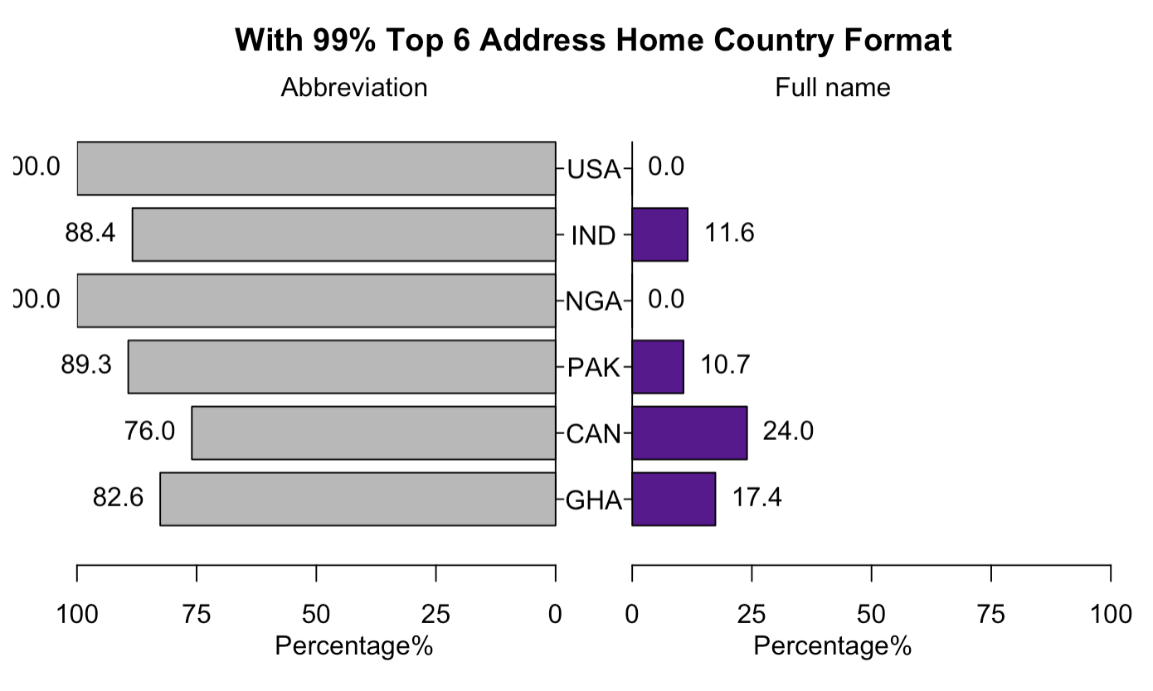

 |  | library(ggplot2)

 |  | # create a dataset
 |  | Home_Country <- c(rep("USA", 2) , rep("International", 2))
 |  | Label <- rep(c( "Full name" ,"Abbreviation" ) , 2)
 |  | Percentage <- c( 0.001, 0.999 , 0.1028 , 0.8972)
 |  | data <- data.frame(Home_Country,Label,Percentage)

 |  | # Stacked + percent
 |  | ggplot(data, aes(fill=Label, y=Percentage, x=Home_Country)) +
 |  | geom_bar(width=0.5, stat="identity",position=position_dodge())+scale_fill_manual(values=c("#b8b8b8","#57068c"))+ggtitle("Inconsistency of Home Country")+theme(plot.title = element_text(hjust = 0.5))+geom_text(aes(label = scales::percent(Percentage)),vjust=1.0)

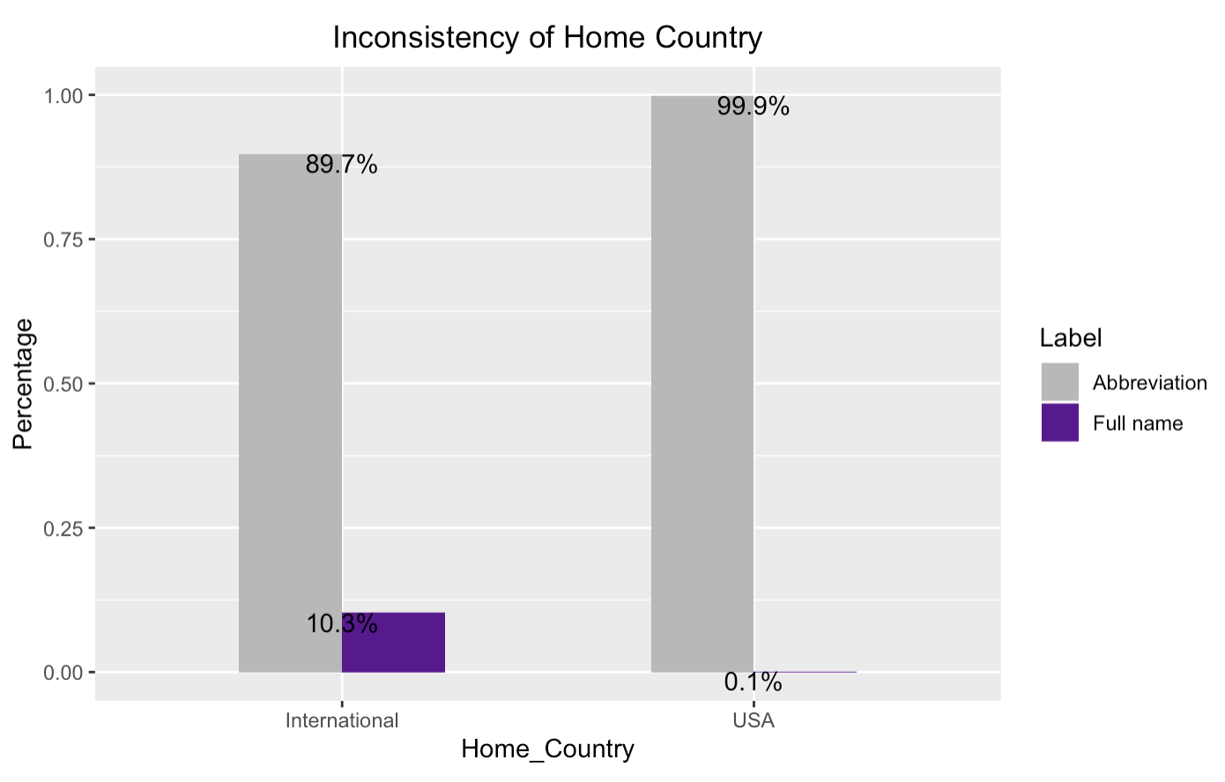

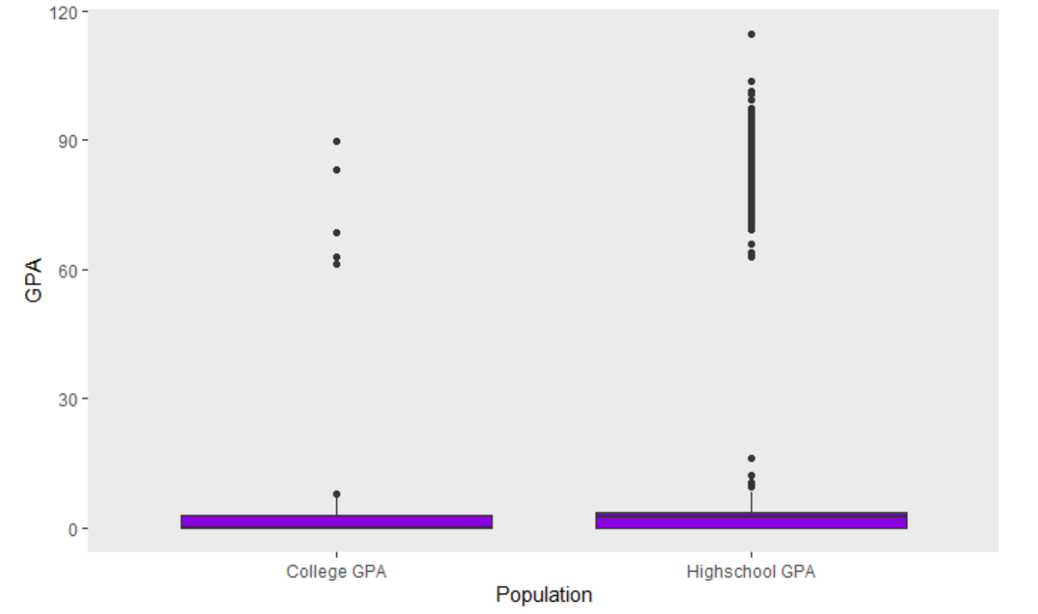

library(ggplot2)
p<-ggplot(data = p_collegenull, aes(x= College.Name, fill = Population)) +
geom_bar(aes(y= ..prop.., position = "fill", width=0.3,stat="count") +
theme_bw() +
theme(panel.border = element_blank(), panel.grid.major = element_blank(),
panel.grid.minor = element_blank(), axis.line = element_line(colour = "black")) +
geom_text(aes(label = scales::percent(..prop..),y=..prop..), stat="count"
position=position_dodge(width=0.9),vjust=-0.25, size=3)

p<-ggplot(data = p_collegenull) +
geom_bar(mapping = aes(x= College.Name, fill = Population), position = "fill", width=0.3) +
theme_bw() +
theme(panel.border = element_blank(), panel.grid.major = element_blank(),
panel.grid.minor = element_blank(), axis.line = element_line(colour = "black")) +
scale_y_continuous(labels=scales::percent) +
annotate("text", x=1, y=0.43, label="Undergraduate 83.5%", color="#FFFFFF",size = 17)
p1<-p + scale_fill_brewer(palette=3)
p1+coord_flip()

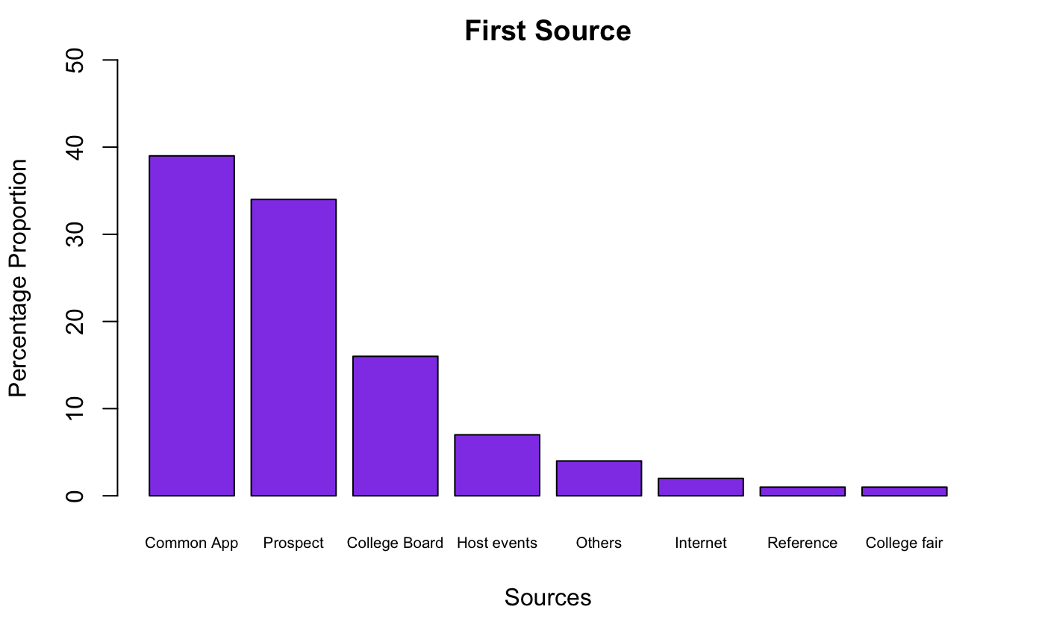

library(ggplot2)
library(scales)
ggplot(P3_data_1b,aes(x=Type, y=Value, fill=Region)) +
geom_bar(stat="identity", position = "dodge") +
geom_text(aes(label = paste(round(Value*100,2), "%")),
position=position_dodge(width=0.9),vjust=-0.25, size=3) +
ggtitle("Demographics Changes between 2000 and 2010 in NE and non-NE region") +
scale_y_continuous("10-year percentage change", labels = percent_format(), limits=c(-0.05,0.33)) +
scale_x_discrete("Demographics Type",labels=c("Population","Income","Density","Ownhome")) +
theme(plot.title = element_text(hjust = 0.5, size=12, face="bold"))

Map
applicant_states<-as.data.frame(table(data.applicant$Address.Home.State,dnn="States"),stringsAsFactors=FALSE)

applicant_states$region<-ifelse(is.na(state.name[match(applicant_states$States,state.abb)]),as.character(applicant_states$States),state.name[match(applicant_states$States,state.abb)])

applicant_states$region<-tolower(applicant_states$region)
state_map<-map_data("state")
applicant_states.map<-left_join(applicant_states,state_map,by="region")

states <- data.frame(state.center, state.abb)

ggplot(applicant_states.map,aes(long,lat,group=group)) +
geom_map(dat=state_map, map=state_map, aes(map_id=region), fill="grey93", color="grey") +
geom_polygon(aes(fill=Freq),color="thistle3") +
geom_text(aes(x=x,y=y,label=state.abb), data=states, size=5, hjust=0.5,
inherit.aes=FALSE) +
#scale_fill_continue(trans="PRGn", alpha=.7, direction=-1) +
scale_fill_continuous(low="lavender",high="darkviolet",name="Number of Applicants")+
ggtitle("Number of applicants in different states") +
theme(plot.title = element_text(hjust = 0.5, size=20, face="bold")) +
theme(panel.border = element_blank(), panel.grid.major = element_blank(),
panel.grid.minor = element_blank(), axis.line = element_line(colour = "black"))+
theme_classic()

